Solar analysis
- The solar data is contradicting. The full load hours of Energinet are not matching the full load hours we have calculated here. Needs revision. We have now chosen to let the full load hours and the energy from the energy balance (and our solar split) be leading which results in a lower installed capacity of 711 MW istead of 782.

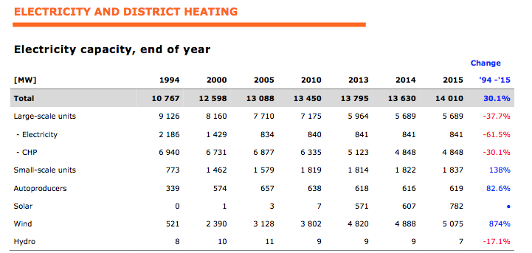

Total installed capacity |  | 782

Split 2017 |  | Split
Commercial/services |  | 15.9%
Households |  | 54.5%
Field |  | 29.6%
 |  | 100.0%

Capacity Split 2015 (based on 2017) |  | MW
Commercial/services |  | 124.52466302
Households |  | 426.30170139
Field |  | 231.17363559

 |  | Energinet | Own calculation
Full-load hours | Unit | 0
Household units | h | 807 | 906.83386322 | Denmark |  | 2,017
Commercial units | h | 1,041 |  | Household units without battery | MW | 461
Field system | h | 1,141 | 452.00656093 | Household units with battery | MW | 4
From: Energinet Analysis Assumptions 2017 |  |  |  | Commercial units without battery | MW | 133
 |  |  |  | Commercial units with battery | MW | 3
 |  |  |  | Field system | MW | 252
 |  |  |  | Total, Denmark | MW | 852
From corrected energy balnce after solar split, see solar split xls |  |  |  | All values logged at the beginning of the year. Reference: Solar cells and batteries in Denmark [Solceller og batterier i Danmark] (Energinet, 2016).
Main activity | 104.492 | GWh |  | From: Energinet Analysis Assumptions 2017
Autoproducer | 499.508 | GWh
Main activity capacity | 0.23117363559 | GW
Atoproducer capacity | 0.55082636441 | GW

